Sheet1
 | Current Meantime between failures (months) |  | 40 |  | 60

 | Current MTTR (hrs) - Time to restart production after failure |  | 120 |  | 72

new line | Current Meantime between inspection (months) |  | 12 |  | 12

new line | Current MTTR (hrs) - Time to restart production after inspection |  | 24 |  | 24

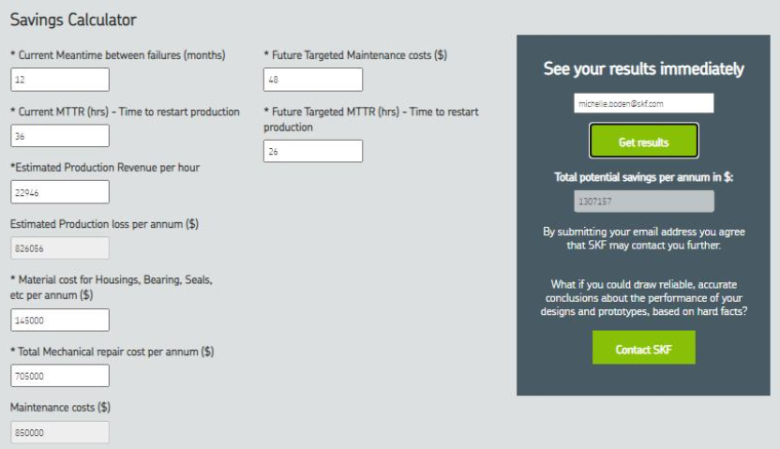
 | Estimated Production Revenue per hour (AUD) | Assumed 15kUSD / hour* | 11628 |  | 11628
 |  |  |  |  |  | See printscreen below of another calculator (for reference only) :
 | Estimated Production loss per annum (AUD) |  | 694331 |  | 445172

 | Material cost for bearing per annum (AUD) |  | 75000 |  | 49600

 | Total Mechanical repair cost per annum (AUD) |  | 225000 |  | 148800

 | Total Maintenance costs per annum (AUD) |  | 300000 | New estimated Maintenance costs per annum (AUD) | 198400

 |  | Total cost Impact per annum | 994331 |  | 643572
 |  |  |  | MAIN OUTPUT - Total potential savings per annum in $ | 350759

Qty
7x | Inputs (blue fill)
4x | Output (green fill) | but "F24" is the main one

